Mean Wage by Educ Level
2020-2030 Occupational Projections, Mean Wage* by Education Level

*Mean Wage, also known as the average wage, is computed by dividing the estimated total wage for a reported occupation by its weighted employment. Wages for Legislators based on 4-months servcie; Teachers, Teacher Assistants, and Coaches/Scouts based on 12-months service; Farmers based on Farm Supervisors/Managers wages; Railroad Brake/Signal/Switch Operators wages based on 2008 OES data; and Musicians/Singers based on 2007 OES data.

No Education | 15.45
High School | 22.85
Some College | 17.28
Postsecondary | 22.57
Bachelor's | 32.5
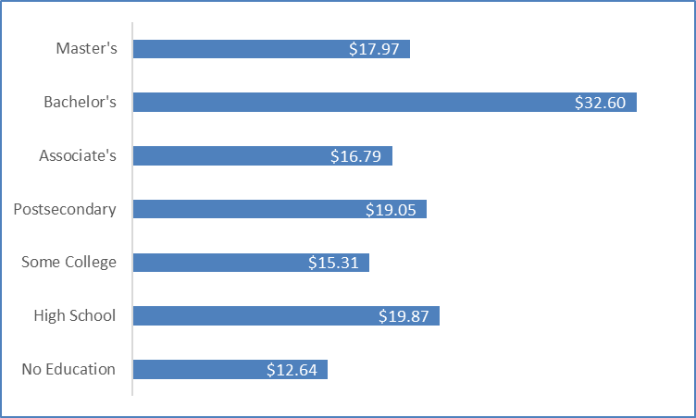
No Education | 14.61
High School | 21.87
Some College | 16.79
Postsecondary | 20.81
Associate's | 21.55
Bachelor's | 30.27

No Education | $15.45
High School | $22.85
Some College | $17.28
Postsecondary | $22.57
Bachelor's | $32.50

Notes
Notes

Legend/Methodology/Selection Criteria:
Occupations were selected based on their education level, annual growth rate, total annual openings, and wages (residual or undefined occupations were not included).
[1] SOC = Standard Occupational Classification code.
[2] Employment refers to workers that are full- or part-time, self-employed, unpaid family, or engaged in agricultural support activities. Estimated = Estimation of labor force by occupation (rounded); Projected = Projection of future labor force by occupation (rounded); Numeric (Employment) Change = Projected employment minus estimated employment (rounded); and Annual Growth Rate (%) = Annual employment growth rate.
[3] Annual Job Separations/Openings include: Exits = Annual projection of workers leaving an occupation and exiting the labor force entirely. Transfers = Annual projection of workers leaving an occupation and transferring to a different occupation. New (Growth) = Annual projection of new (growth) nonseparation occupational openings. Total = {Exits [a] plus Transfers [b] plus New (Growth) [c]}; (or) Sum of annual openings including separations (exits and transfers) and new (growth). Separations (exits and transfers) are openings caused by workers leaving the labor market or changing occupations (an occupation not growing may still have opeings due to separations). Annual Job Separations/Openings are rounded (occupational employment data may not add up or equal occupational group totals due to rounding and/or suppression of occupations with less than twenty rounded total annual openings; * = Employment data suppression). Visit www.bls.gov/emp/about-overview.htm and wwww.bls.gov/emp/methods-overview.htm for further explanation on employment projections data including definitions and methodologies.
[4] Wage & Salary ($) includes: Mean (Average) Wage/Salary = dividing the estimated total pay for an occupation by its weighted employment; Entry Wage/Salary = Average of the lowest third of reported pay for the occupation; Median Wage/Salary = The point at which 50% of the employment was below this pay and 50% was above; and Experienced Wage/Salary = Average of the upper two-thirds of reported pay for the occupation. Pay provided in wage (hourly) and salary (annual) formats. Missing pay data may be derived from calculation or proration of any reported wage/salary data if available (i.e., legislator wages based on salary of 4-months service, education and coaching wages based on salary of 12-months service). N.A. = Not Available. Due to occupational code reclassification some occupations may have an identical wage structure or have an alternate or substitute wage structure from a closely approximate occupation. These include: 11-2030 (11-2032), 11-3010 (11-3012), 15-1245 (15-1243), 15-1256 (15-1252), 15-1257 (15-1254), 19-3031 (19-3033), 19-4010 (19-4012), 29-2040 (29-2043), 33-1090 (33-1099), 39-1098 (39-1022).
[5] Career Preparation determined by the U.S. Department of Labor’s Bureau of Labor Statistics (BLS). Alternative employment pathways may exist as well as differing educational, training, or licensing requirements per state. Iowa requirements are used in this publication when available. Career Preparation areas/levels include: Education (typical education level needed to enter an occupation): DP = Doctoral or Professional degree; MA = Master's degree; BA = Bachelor's degree; AS = Associate's degree; PS = Postsecondary non-degree award; SC = Some college, no degree; HS = High school diploma or equivalent; NE = No formal Educational credential; Work Experience (typical work experience level commonly considered necessary for entry into an occupation, or substitutable for formal types of training): > 5 = 5 years or more; < 5 = Less than 5 years; N = None; and Job Training (typical on-the-job training level needed to attain occupational competency): I = Internship/residency; A = Apprenticeship; L = Long-term on-the-job training; M = Moderate-term on-the-job training; S = Short-term on-the-job training; None = N.
[6] Top Skills refers to the the top ten skills for a particular occupation as identified by sampled workers' questionaire responses conducted by occupational analysts of the U.S. Department of Labor's Occupational Information Network (O*NET). These include: Basic Skills: B1 = Active Learning; B2 = Active Listening; B3 =Critical Thinking; B4 = Learning Strategies; B5 = Mathematics; B6 = Monitoring; B7 = Reading Comprehension; B8 = Science; B9 = Speaking; B10 = Writing; Complex Problem Solving Skills: C1 = Complex Problem Solving; Resource Management Skills: R1 = Management of Financial Resources; R2 = Management of Material Resources; R3 = Management of Personnel Resources; R4 = Time Management; Social Skills: SO1 = Coordination; SO2 = Instructing; SO3 = Negotiation; SO4 = Persuasion; SO5 = Service Orientation; SO6 = Social Perceptiveness; Systems Skills: SY1 = Judgment and Decision Making; SY2 = Systems Analysis; SY3 = Systems Evaluation; and Technical Skills: T1 = Equipment Maintenance; T2 = Equipment Selection; T3 = Installation; T4 = Operation and Control; T5 = Operation Monitoring; T6 = Operations Analysis; T7 = Programming; T8 = Quality Control Analysis; T9 = Repairing; T10 = Technology Design; T11 = Troubleshooting. N.A. = Not Available.
[7] Outlook includes occupations expected to have a bright outlook for the next several years. Categories include: Rapid Growth = RG, Numerous Job Openings = NJO, and New and Emerging = NE.
Iowa Local Workforce Development Area (LWDA) County Profile:
Central Iowa LWDA: Boone, Dallas, Jasper, Madison, Marion, Polk, Story, Warren
Eastcentral Iowa LWDA: Benton, Cedar, Iowa, Johnson, Jones, Linn, Washington
Mississippi Valley Iowa LWDA: Clinton, Des Moines, Henry, Jackson, Lee, Louisa, Muscatine, Scott
Northcentral IowaLWDA: Calhoun, Hamilton, Humboldt, Pocahontas, Webster, Wright
Northeast Iowa LWDA: Allamakee, Black Hawk, Bremer, Buchanan, Butler, Cerro Gordo, Chickasaw, Clayton, Delaware, Dubuque, Fayette, Floyd, Franklin, Grundy, Hancock, Howard, Winnebago, Winneshiek, Worth
Northwest Iowa LWDA: Buena VIsta, Clay, Dickinson, Emmet, Kossuth, Lyon, O'Brien, Osceola, Palo Alto, Sioux
Southcentral Iowa LWDA: Appanoose, Davis, Hardin, Jefferson, Keokuk, Lucas, Mahaska, Marshall, Monroe, Poweshiek, Tama, Van Buren, Wapello, Wayne
Southwest Iowa LWDA: Adair, Adams, Clarke, Decatur, Montgomery, Ringgold, Taylor, Union
Western Iowa LWDA: Audubon, Carroll, Cass, Cherokee, Crawford, Greene, Fremont, Guthrie, Harrison, Ida, Mills, Monona, Page, Plymouth, Pottawattamie, Sac, Shelby, Woodbury
Sources:
Education/Work Experience/Job Training: Bureau of Labor Statistics, U.S. Department of Labor; Employment: 2020-2030 Occupational Projections estimates based on 2020 annual industry employment data and 2021 2nd quarter occupational staffing pattern data, Labor Market and Workforce Information Division, Iowa Workforce Development; Skills and Outlook: Occupational Information Network (O*NET), Employment and Training Administration, U.S. Department of Labor; Wages: 2023 Iowa Wage Survey estimates (based on 2022 2nd quarter occupational wage data updated to 2023 2nd quarter using Employment Cost Index), Labor Market and Workforce Information Division, Iowa Workforce Development.
This workforce product was funded by a grant awarded by the U.S. Department of Labor’s Employment and Training Administration. The product was created by the recipient and does not necessarily reflect the official position of the U.S. Department of Labor. The Department of Labor makes no guarantees, warranties, or assurances of any kind, express or implied, with respect to such information, including any information on linked sites and including, but not limited to, accuracy of the information or its completeness, timeliness, usefulness, adequacy, continued availability, or ownership. This product is copyrighted by the institution that created it. Internal use by an organization and/or personal use by an individual for noncommercial purposes is permissible. All other uses require the prior authorization of the copyright owner. This publication was produced by the Labor Market and Workforce Information Division of Iowa Workforce Development. Revisions and/or corrections made when necessary. Inquiries may be directed to Brent Paulson at 515.281.3439 or Brent.Paulson@iwd.iowa.gov. Visit www.iowalmi.gov to obtain the latest workforce data and trends including this document. Published 11/2023.

